Sheet1
1 | GND
2 | NC
3 | NC
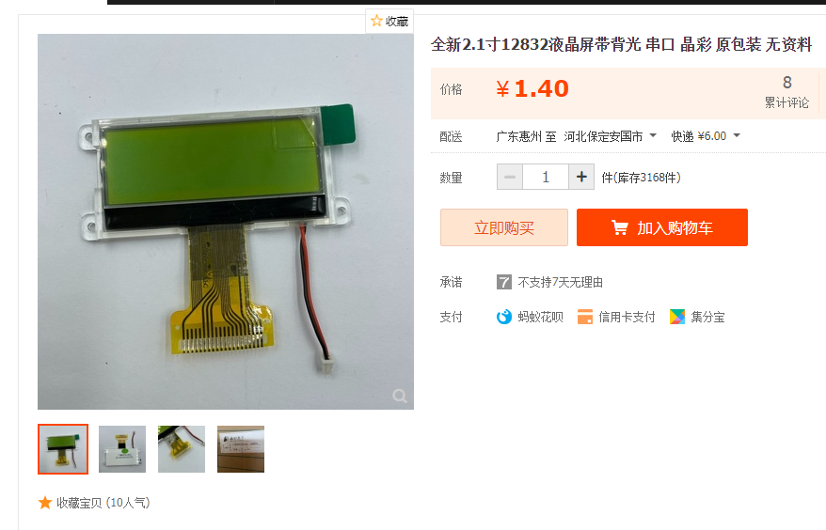
4 | NC
5 | NC
6 | VG
7 | XV0
8 | V0
9 | NC
10 | NC
11 | NC
12 | NC
13 | GND
14 | VDD
15 | SDA
16 | SCK
17 | GND
18 | A0
19 | RST
20 | CS

